QET Comparison
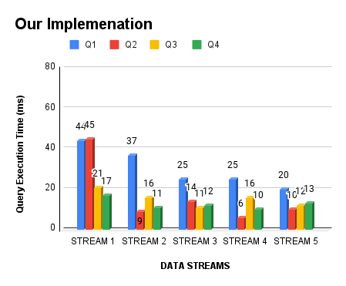
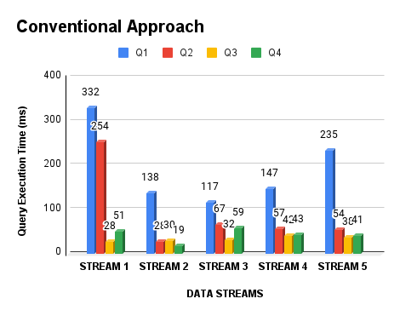

Result Comparison
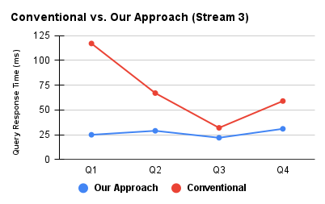
DATA STREAMS | Q1 | Q2 | Q3 | Q4
STREAM 3 | 25 | 29 | 22 | 31
STREAM 3 | 117 | 67 | 32 | 59

